Bug Reports
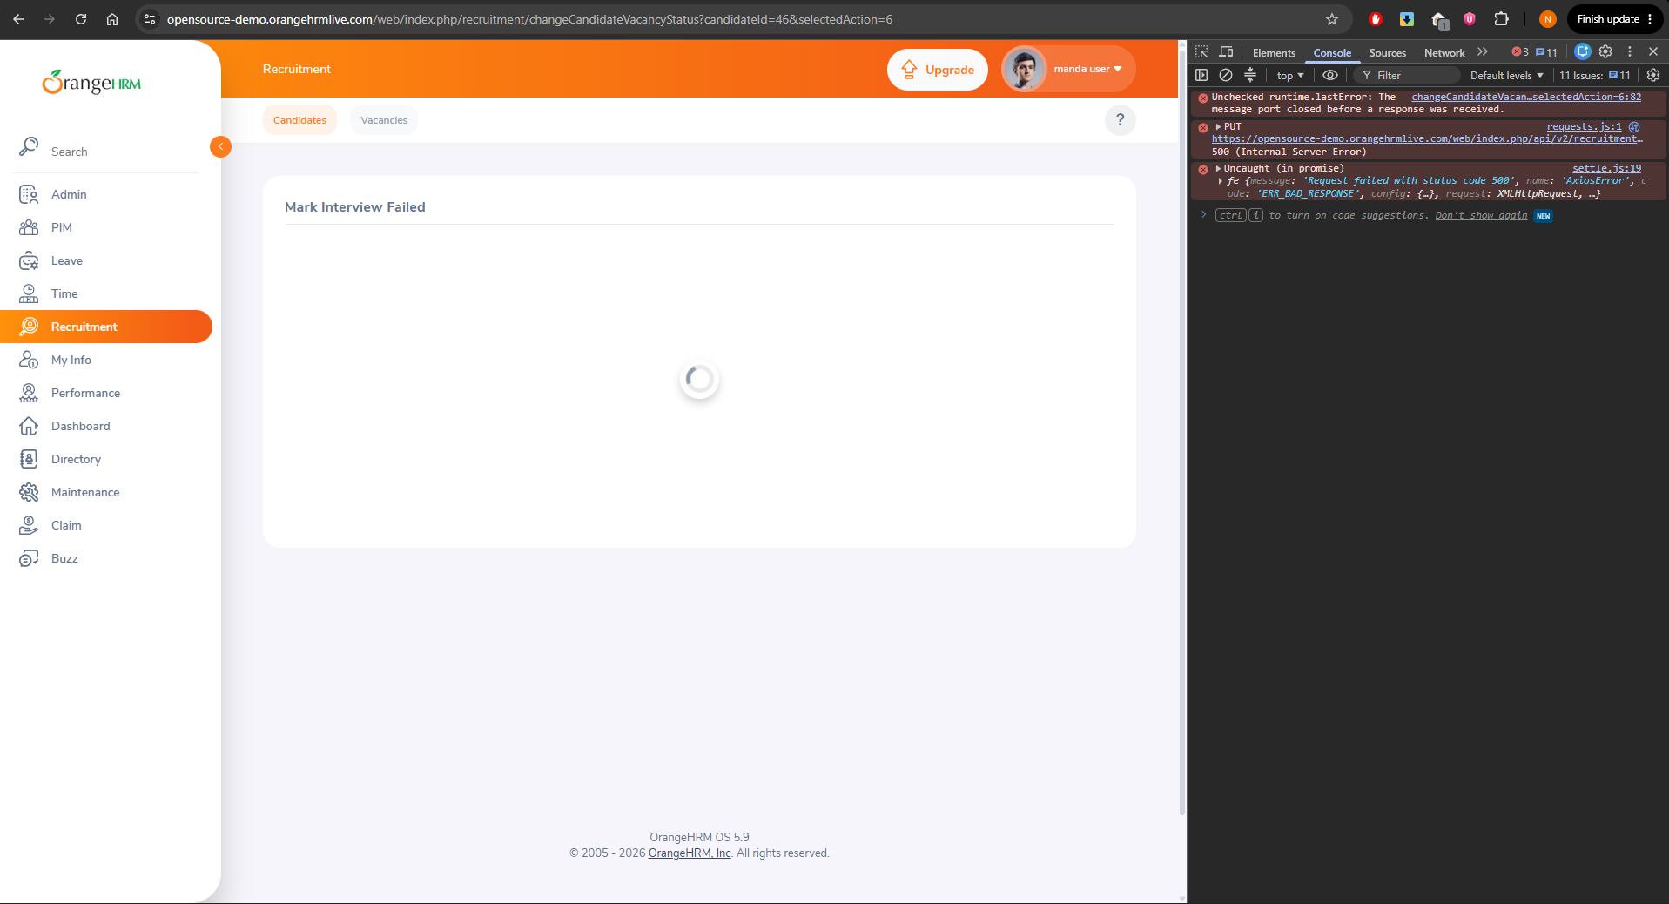
Bug ID | Summery | Module | Severity | Priority | Enviroment | Steps to Reproduce | Expected | Actual | Status
BUG-001 | Site throws error message when user attempts to mark interview as failed | Recruitment | High | High | Windows 11 - Chrome | 1. Logged in as Admin at https://opensource-demo.orangehrmlive.com/web/index.php/recruitment/viewCandidates | Return to Candidate Profile with Candidate Interview amrked as Failure | Error message appears and site is stuck on loading wheel | Open
 |  |  |  |  |  | 2. Navigate to Candidate Profile |  | Error appers to be a 500 Internal Server Error with a PUT method
 |  |  |  |  |  | 3. Schedule Interview
 |  |  |  |  |  | 4. Click "Mark Interview Failed"
 |  |  |  |  |  | 5. Click "Save"

